DA42
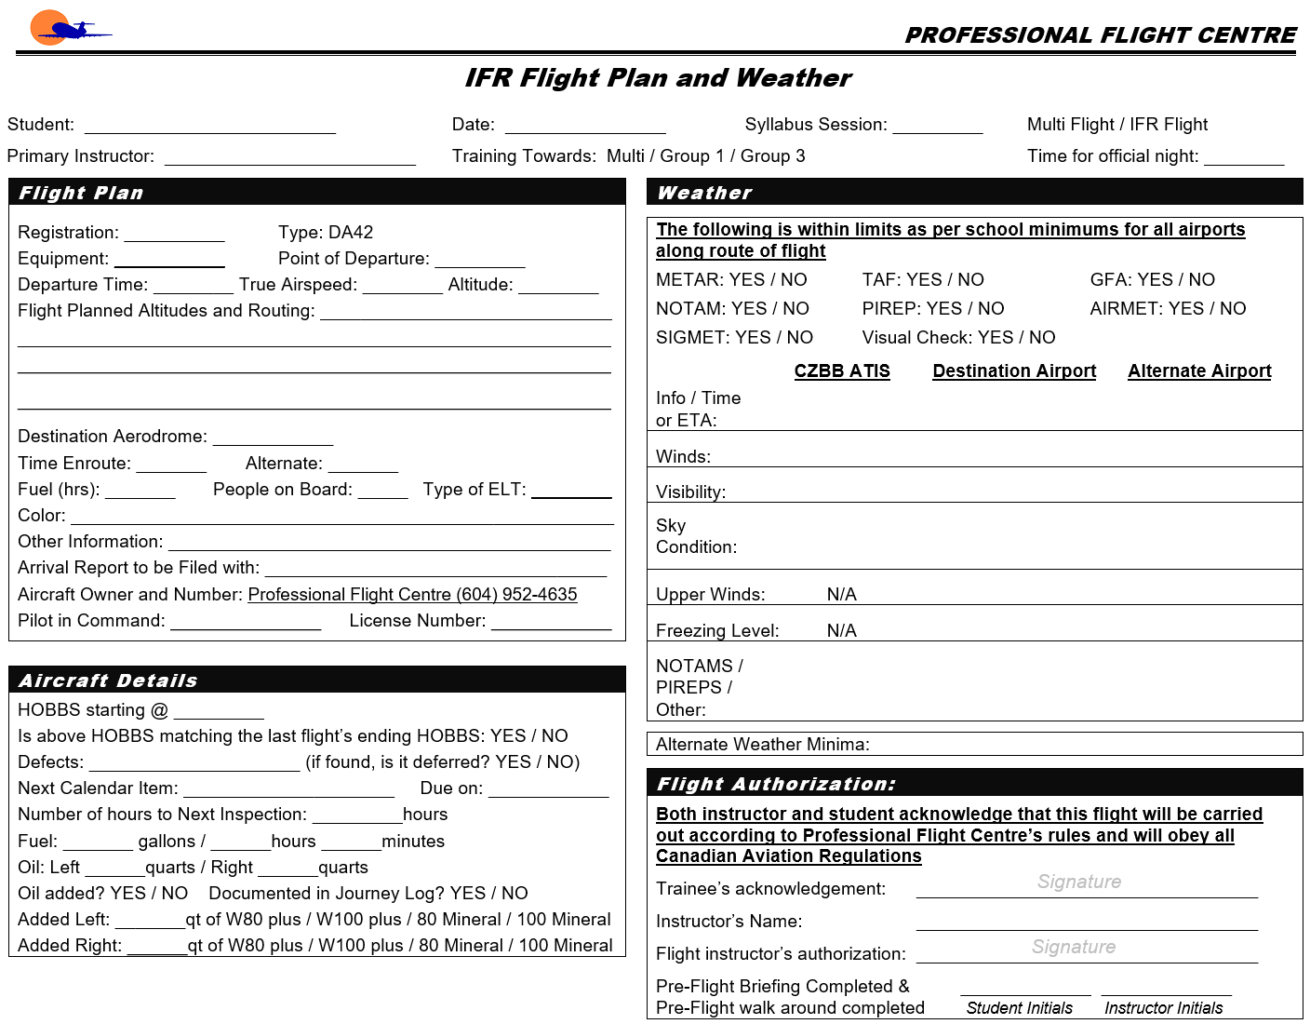
 |  | W&B Data Calculated at: | 11/2/2020 |  |  |  | Ver. 42.0.0.2
 |  | Weight and Balance Worksheet
Step 1 - Pick Aircraft Ident
 |  | Diamond DA42 | C-GXRE

 |  |  | WB |  | Max Zero Fuel
93.1 | 3005 | 94.569964196 | 2793 | 93.7 | 3637
93.1 | 3415 | 94.518512784 | 2777 | 96.3 | 3637
94.0 | 3752 | 94.518512784 | 2777
95.5 | 3935
96.5 | 3935
95.9 | 3005
93.1 | 3005
Max Take Off
Step 2 - Enter Weight Data
 |  |  | Qty |  | Weight | Arm | Moment
 |  | Basic Empty Weight |  |  | 2793.0 | 94.56 | 264,133.91
 |  | Pilot & Co-Pilot | 0 |  | 0 | 90.60 | 0
 |  | Rear Passengers | 0 |  | 0 | 128.00 | 0
 |  | Baggage Nose (66 lbs max) | 0 |  | 0 | 23.60 | 0
 |  | Baggage Cabin (100 lbs max) | 0 |  | 0 | 153.10 | 0
 |  | Baggage Extension (40 lbs Max) | 0 |  | 0 | 178.70 | 0
 |  | Zero Fuel (3638 lbs MAX) |  |  | 2793.0 | 94.57 | 264,134
 |  | Main Fuel (US GAL) | 0 |  | 0 | 103.50 | 0
 |  | AUX Fuel (US GAL) | 0 |  | 0 | 126.00 | 0
 |  | RAMP Weight (3957 lbs MAX) |  |  | 2793.0 | 94.57 | 264,134
 |  | Fuel Allowance for taxi/runup |  |  | -16 | 103.50 | -1,656
 |  | Take off Weight (3935 lbs MAX) |  |  | 2777.0 | 94.52 | 262,478
 |  | Trip Fuel (US GAL) | 0 |  | 0.0 | 103.50 | 0
 |  | Landing Weight (3748 lbs MAX) |  |  | 2777.0 | 94.52 | 262,478
Step 3 - Check for Errors
 |  | Underweight by: |  | 1158.0
 |  | Aircraft Oil Requirements
 |  | Minimum (Based on POH) | 4 quarts
 |  | Maximum (Based on POH) | 8 quarts
 |  | !!! Warning Messages !!!

 |  | * The maximum baggage weight in Cabin & Extension combined is 100 lbs

 |  | Flight Authorization

 |  | Both instructor and student acknowledge that this flight will be carried out according to Professional Flight Centre's rules and will obey all Canadian Aviaiton Regualations

 |  | Date:

 |  | Trainee's Acknowledgement:

Pilot Seat Name | Initials
 |  | Instructor's Name:

Co-Pilot Seat Name | Initials
 |  | Flight Instructor's Authorization:

Step 4 - Print and Sign
Rear Passenger #1 | Initials | Pre-Flight Inspection and Breifing Completed:

Rear Passenger #2 | Initials
 |  | Instructor Initials |  |  |  | Student Initials

Following (Non-Editable) Sheet Will be Printed as Second Page

