C152
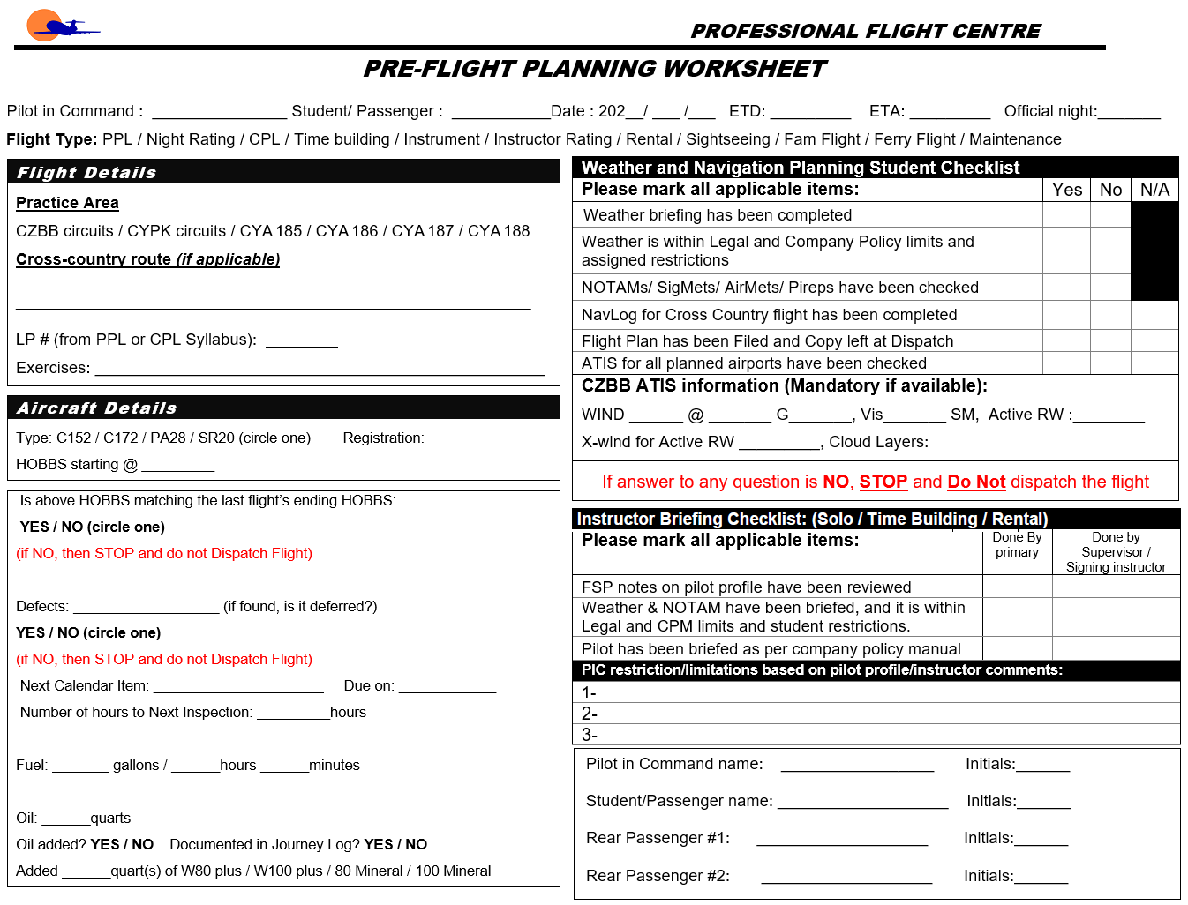
 | W&B Data Calculated at: | 10/5/2021 |  |  |  | Ver. 152.0.0.18
 | Weight and Balance Worksheet
Step 1 - Pick Aircraft Ident
 | Cessna 152 | C-GFBB

Step 2 - Enter Weight Data
 |  |  | WB
31 | 1000 | 31.28 | 1188
31 | 1350 | 31.236511156 | 1183.2
32 | 1540 | 31.236511156 | 1183.2
33 | 1670
37 | 1670
37 | 1000
 |  | Qty |  | Weight | Arm | Moment
 | Basic Empty Weight |  |  | 1188.0 | 31.28 | 37,160.64
 | Pilot |  |  | 0 | 39.0 | 0
 | Co-Pilot |  |  | 0 | 39.0 | 0
 | Baggage Area 1 (120 lbs max) |  |  | 0 | 64.0 | 0
 | Baggage Area 2 (40 lbs Max) |  |  | 0 | 84.0 | 0
 | Zero Fuel |  |  | 1188.0 | 31.3 | 37,161
 | Fuel Onboard (US GAL) |  |  | 0 | 42.0 | 0
 | Fuel Allowance for taxi/runup |  |  | -4.8 | 42.0 | -202
 | Take off Weight (Max 1670 lbs) |  |  | 1183.2 | 31.2 | 36,959
 | Fuel Burn in gal (US GAL) |  |  | 0.0 | 42.0 | 0
 | Landing Weight |  |  | 1183.2 | 31.2 | 36,959
Step 3 - Check for Errors
 | Underweight by: |  | 486.8
 | Aircraft Oil Requirements
 | Minimum (Based on POH) | 4 quarts
 | Maximum (Based on POH) | 6 quarts
 | !!! Warning Messages !!!

 | * The maximum allowable weight in baggage area 1 & 2 combined is 120 lbs
CENTER OF
Gravity
LIMITS
 | Flight Authorization

 | Both instructor and student acknowledge that this flight will be carried out according to Professional Flight Centre's rules and will obey all Canadian Aviaiton Regualations

 | Date:

 | Trainee's Acknowledgement:

 | Instructor's Name:

 | Flight Instructor's Authorization:

Step 4 - Print and Sign
 | Pre-Flight Inspection and Breifing Completed:

 | Instructor Initials |  | Student Initials |  |  | Passenger Initials

Following (Non-Editable) Sheet Will be Printed as Second Page

