SR20
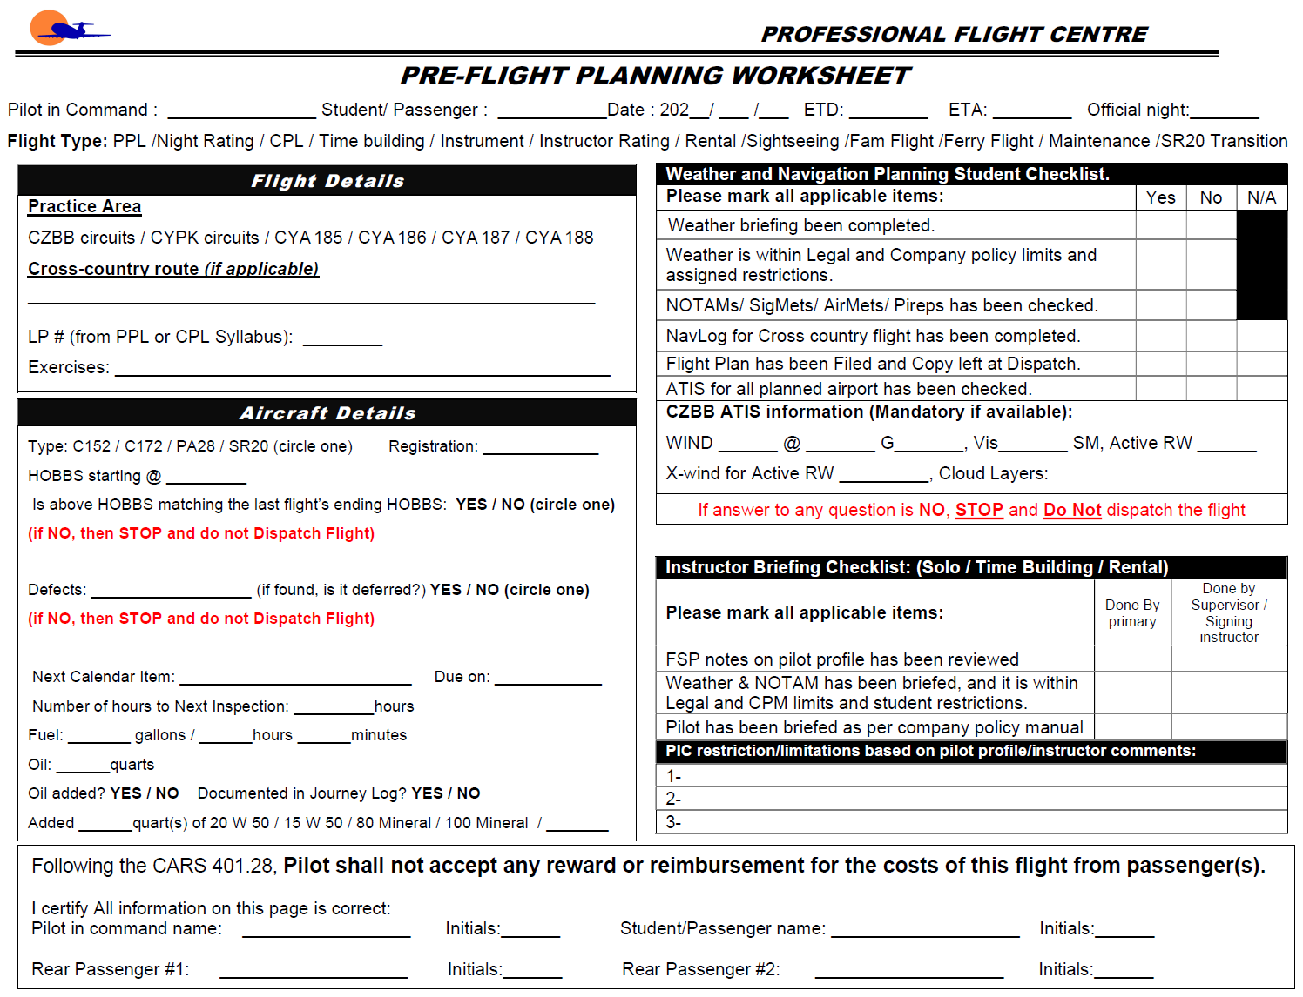
 |  | W&B Data Calculated at: | 8/30/2022 |  |  |  | Ver. 20.0.0.4
 |  | Weight and Balance Worksheet
Step 1 - Pick Aircraft Ident
 |  | Cirrus SR20 | C-GXRC

 | Envelope |  | WB
137.8 | 2100 | 141.36204514 | 2171
139.1 | 2700 | 141.32181146 | 2164
141.4 | 3150 | 141.32181146 | 2164
148.1 | 3150
148.1 | 2100
137.8 | 2100
Step 2 - Enter Weight Data
 |  |  | Qty |  | Weight | Arm | Moment
 |  | Basic Empty Weight |  |  | 2171.0 | 141.39 | 306,897.00
 |  | Pilot |  |  | 0 | 140.0 | 0
 |  | Co-Pilot |  |  | 0 | 140.0 | 0
 |  | Rear Passengers |  |  | 0 | 180.0 | 0
 |  | Baggage Area 1 (130 lbs max) |  |  | 0 | 200.0 | 0
 |  | Zero Fuel |  |  | 2171.0 | 141.4 | 306,897
 |  | Fuel Onboard (US GAL) |  |  | 0 | 153.8 | 0
 |  | Fuel Allowance for taxi/runup |  |  | -7 | 153.8 | -1,077
 |  | Take off Weight (Max 3150 lbs) |  |  | 2164.0 | 141.3 | 305,820
 |  | Fuel Burn in gal (US GAL) |  |  | 0.0 | 153.8 | 0
 |  | Landing Weight |  |  | 2164.0 | 141.3 | 305,820
Step 3 - Check for Errors
 |  | Underweight by: |  | 986.0
 |  | !!! Warning Messages !!!

 |  | * The maximum allowable weight in baggage area 1 & 2 combined is 120 lbs

 |  | Flight Authorization

 |  | Both instructor and student acknowledge that this flight will be carried out according to Professional Flight Centre's rules and will obey all Canadian Aviaiton Regualations

 |  | Date:

 |  | Trainee's Acknowledgement:

Pilot Seat Name | Initials
 |  | Instructor's Name:

Co-Pilot Seat Name | Initials
 |  | Flight Instructor's Authorization:

Step 4 - Print and Sign
Rear Passenger #1 | Initials | Pre-Flight Inspection and Breifing Completed:

Rear Passenger #2 | Initials
 |  | Instructor Initials |  |  |  | Student Initials

Following (Non-Editable) Sheet Will be Printed as Second Page

