PA28
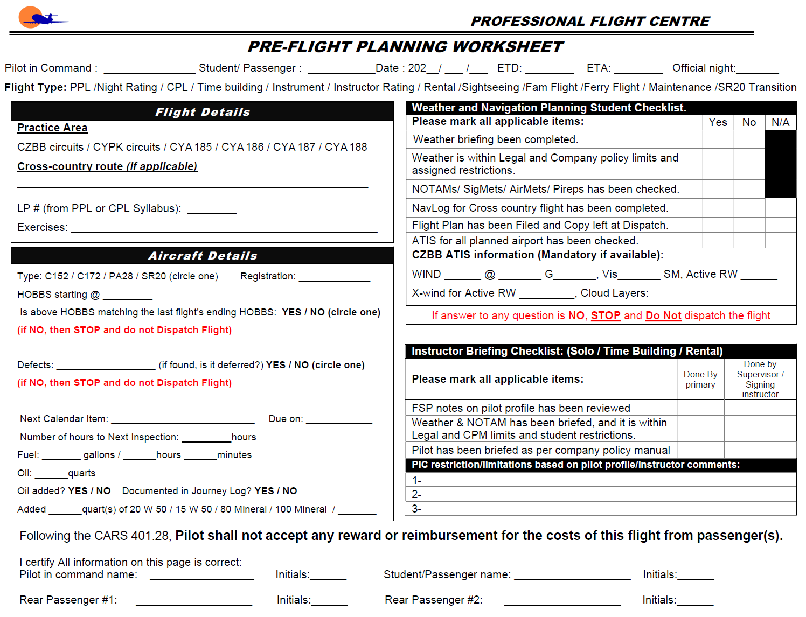
 |  | W&B Data Calculated at: | 6/5/2023 |  |  |  | Ver. 28.0.0.7
 |  | Weight and Balance Worksheet
Step 1 - Pick Aircraft Ident
 |  | PA-28 | C-GDVP

 |  |  | WB |  | Utility
83 | 1200 | 89.564580199 | 1515.48 | 83.0 | 1200
83 | 1950 | 89.539357499 | 1508.48 | 83.0 | 1950
87 | 2325 | 89.539357499 | 1508.48 | 86.5 | 1950
93 | 2325 |  |  | 86.5 | 1200
93 | 1200 |  |  | 83.0 | 1200
Step 2 - Enter Weight Data
 |  |  | Qty |  | Weight | Arm | Moment
 |  | Basic Empty Weight |  |  | 1500.5 | 90.19 | 135,320.83
 |  | Pilot | 0 |  | 0 | 80.5 | 0
 |  | Co-Pilot | 0 |  | 0 | 80.5 | 0
NORMAL CATEGORY
 |  | Rear Passengers | 0 |  | 0 | 118.1 | 0
 |  | Baggage Area (200 lbs max) | 0 |  | 0 | 142.8 | 0
 |  | Oil (8 quarts) |  |  | 15 | 27.5 | 413
 |  | Zero Fuel Weight |  |  | 1515.5 | 89.6 | 135,733
 |  | Fuel Onboard (US GAL) | 0 |  | 0 | 95.0 | 0
 |  | Fuel Allowance for taxi/runup |  |  | -7 | 95.0 | -665
 |  | Take off Weight (Max 2325 lbs) |  |  | 1508.5 | 89.5 | 135,068
 |  | Fuel Burn in gal (US GAL) | 0 |  | 0.0 | 95.0 | 0
 |  | Landing Weight |  |  | 1508.5 | 89.5 | 135,068
Step 3 - Check for Errors
 |  | Underweight by: |  | 816.5
 |  | Aircraft Oil Requirements
 |  | Minimum (Company Min) | 5.0 quarts
 |  | Maximum (Based on POH) | 8.0 quarts
 |  | !!! Warning Messages !!!

 |  | * The maximum allowable weight in baggage area is 200 lbs

 |  | Flight Authorization

 |  | Both instructor and student acknowledge that this flight will be carried out according to Professional Flight Centre's rules and will obey all Canadian Aviaiton Regualations

 |  | Date:

 |  | Trainee's Acknowledgement:

Pilot Seat Name | Initials
 |  | Instructor's Name:

Co-Pilot Seat Name | Initials
 |  | Flight Instructor's Authorization:

Step 4 - Print and Sign
Rear Passenger #1 | Initials | Pre-Flight Inspection and Breifing Completed:

Rear Passenger #2 | Initials
 |  | Instructor Initials |  |  |  | Student Initials

Following (Non-Editable) Sheet Will be Printed as Second Page

