Seminole
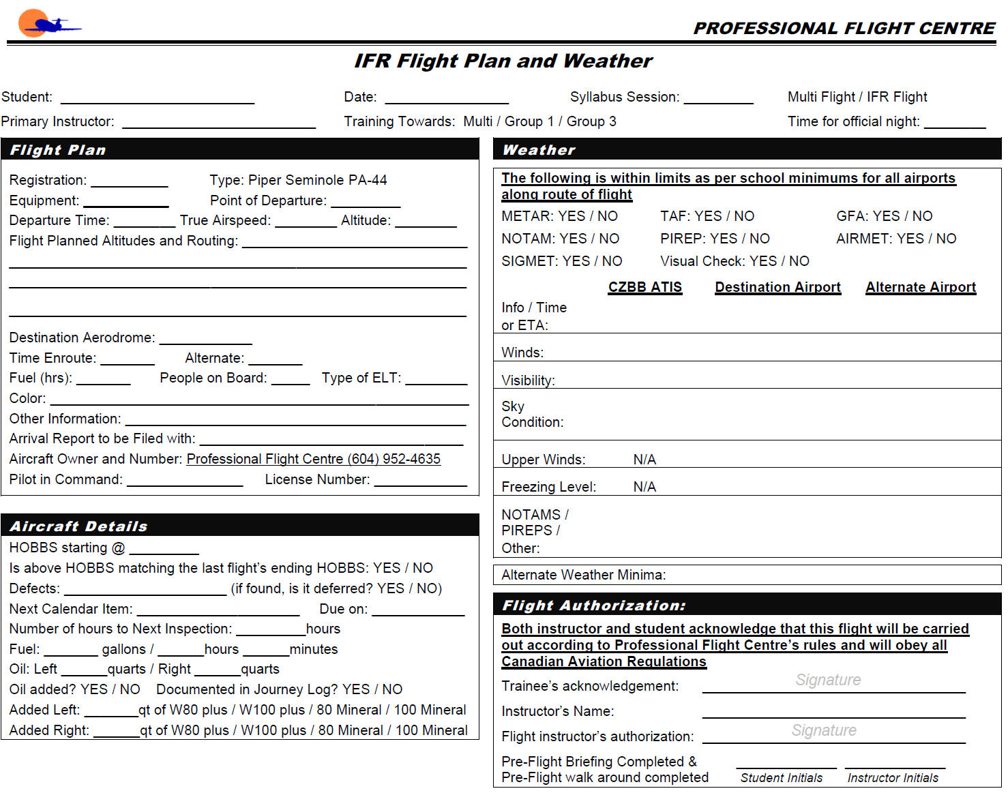
 |  | W&B Data Calculated at: | 3/8/2024 |  |  | Ver. 44.0.0.3
 |  | Weight and Balance Worksheet
Step 1 - Pick Aircraft Ident
 |  | Piper Seminole | C-GILY

 |  |  | WB |  | Max Zero Fuel
84.0 | 2300 | 86.797668581 | 2665.33 | 108 | 3500
84.0 | 2800 | 86.748132547 | 2649.33 | 117.5 | 3500
85.0 | 3400 | 86.748132547 | 2649.33
89.0 | 3800
93.0 | 3800
93.0 | 2300
84.0 | 2300
Step 2 - Enter Weight Data
Max Take-Off and Landing
 |  |  | Qty | Weight | Arm | Moment
 |  | Basic Empty Weight |  | 2665.33 | 86.80 | 231,344.43
 |  | Pilot & Co-Pilot | 0 | 0 | 80.50 | 0.00
 |  | Rear Passengers | 0 | 0 | 118.10 | 0.00
 |  | Baggage (200 lbs max) | 0 | 0 | 142.80 | 0.00
 |  | Zero Fuel |  | 2665.33 | 86.80 | 231,344.43
 |  | Fuel (US GAL) | 0 | 0 | 95.00 | 0.00
 |  | RAMP Weight (3816 lbs MAX) |  | 2665.33 | 86.80 | 231,344.43
 |  | Fuel Allowance for taxi/runup |  | -16 | 95.00 | -1,520.00
 |  | Take off Weight (3800 lbs MAX) |  | 2649.33 | 86.75 | 229,824.43
 |  | Trip Fuel (US GAL) | 0 | 0.0 | 95.00 | 0.00
 |  | Landing Weight (3800 lbs MAX) |  | 2649.33 | 86.75 | 229,824.43
Step 3 - Check for Errors
 |  | Underweight by: | 1150.7
 |  | Aircraft Oil Requirements
 |  | Minimum (Company Min) | 5.0 quarts
 |  | Maximum (Based on POH) | 7.0 quarts
 |  | !!! Warning Messages !!!

 |  | * The maximum weight 200 lbs including equipmnent and baggage

 |  | Flight Authorization

 |  | Both instructor and student acknowledge that this flight will be carried out according to Professional Flight Centre's rules and will obey all Canadian Aviaiton Regualations

 |  | Date:

 |  | Trainee's Acknowledgement:

Pilot Seat Name | Initials
 |  | Instructor's Name:

Co-Pilot Seat Name | Initials
 |  | Flight Instructor's Authorization:

Step 4 - Print and Sign
Rear Passenger #1 | Initials | Pre-Flight Inspection and Breifing Completed:

Rear Passenger #2 | Initials
 |  | Instructor Initials |  |  | Student Initials

Following (Non-Editable) Sheet Will be Printed as Second Page

